queries
General select all data from a table with conditional | General query for serching a column cell (conditional)
SELECT * FROM Customers | SELECT name
WHERE Country='Mexico'; | FROM titanic
 | WHERE name LIKE 'Miss%';

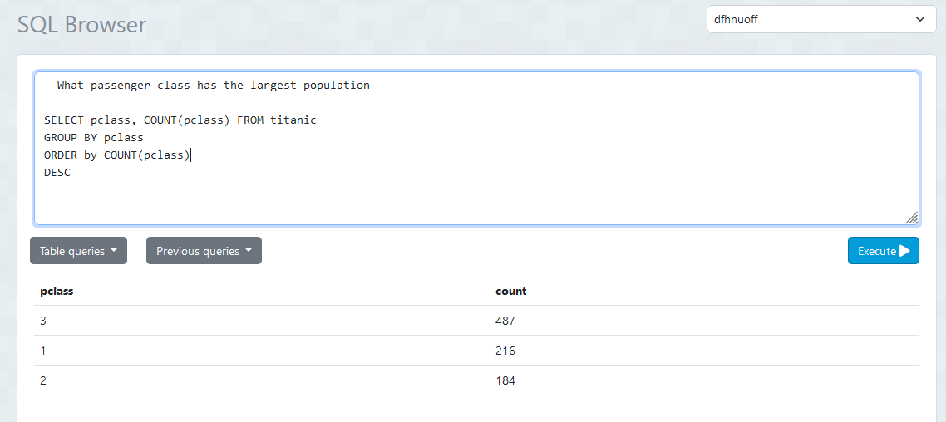
 | obtaining a single value aggregation
 | SELECT SUM(survived) FROM titanic
Query with alias table names
select c.first_name,
c.last_name,
b.brand_name,
p.product_name,
p.amount as prod_amount,
o.order_date,
o.sub_total,
o.total_cost
from customer c, cart ct, orders o, brand b, product p
where c.customer_id = ct.customer_id
and ct.order_id = o.order_id
and b.seller_id = p.seller_id
and p.upc = o.upc

 | SELECT AVG(amount)
 | FROM payment
select c.first_name || ' ' || c.last_name as cust_name, | WHERE amount > 6
count(p.payment_id)
from payment p, customer c
where c.customer_id = p.customer_id
group by cust_name | Max PMT
order by cust_name | select customer_id,
 | count(payment_id)
 | from payment
 | group by customer_id
 | order by count desc

 | Min
 | select customer_id,
 | count(payment_id)
 | from payment
 | group by customer_id
 | order by count

Sheet5
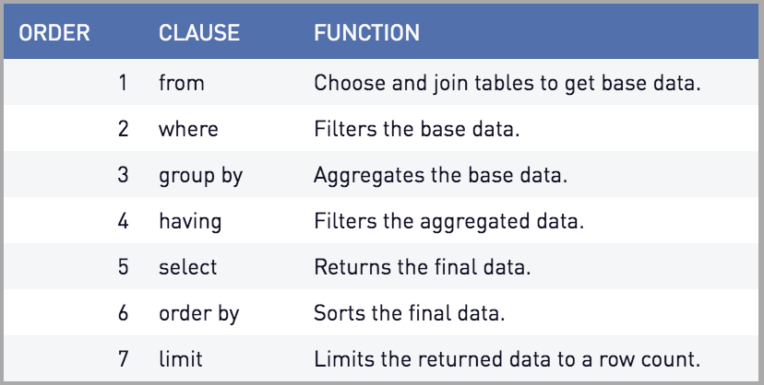
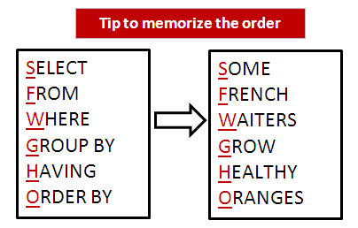
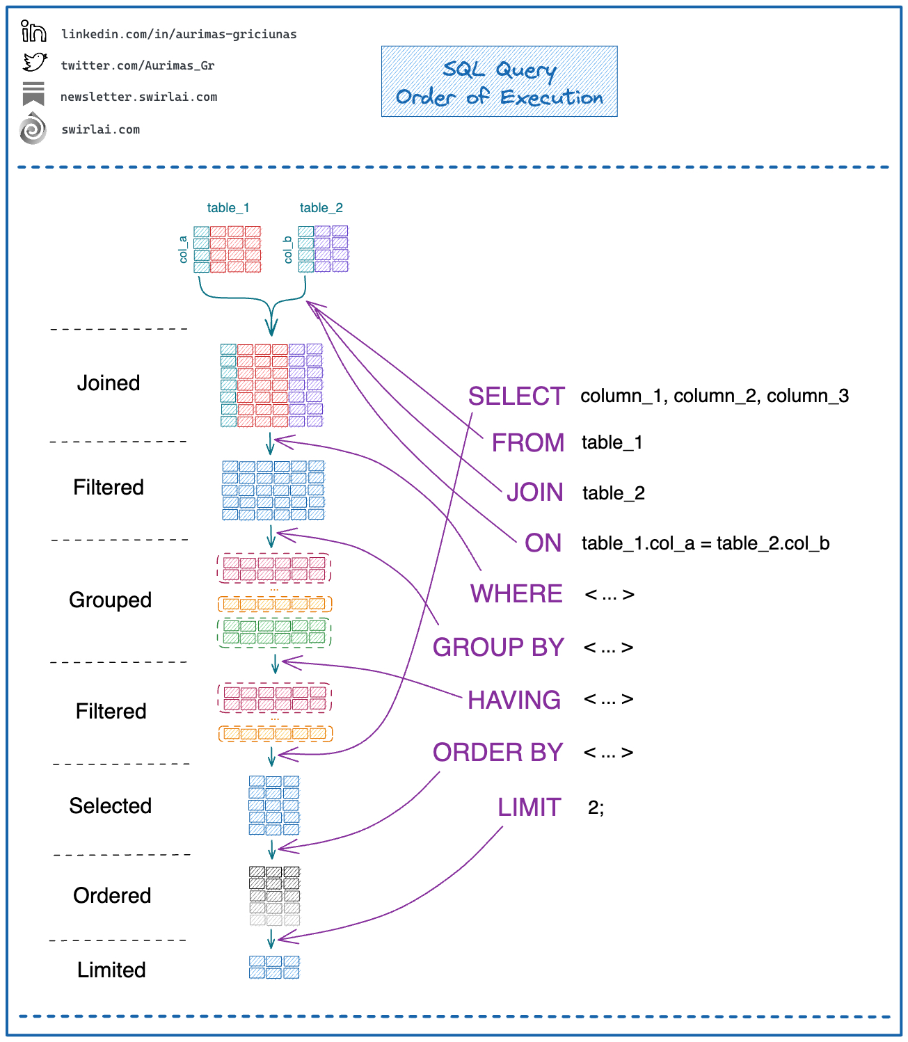
steps to upload dvd_sales_data
Register server
set host name to 'localhost'

